F1
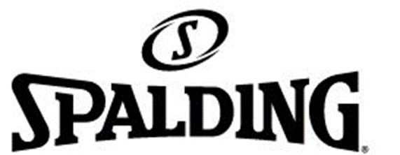

LOGO

 |  |  |  |  |  |  |  |  |  |  |  | 0
PHOTO | BRAND | REFERENCE | ITEM-NAME | COLOR | CATEGORY | MODEL | PREPACK | BOX | QTY | DELIVERY | RETAIL PRICE US$ | ORDER
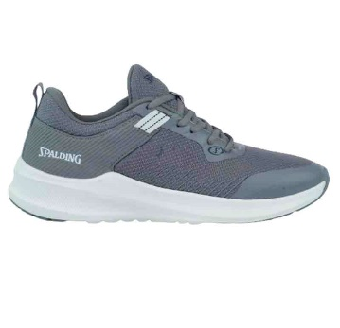 | SPALDING | ADS-05505M-070 | SILVANO | GRAY/WHITE | RUNTRIAIN | ALL DAY | MF01 | 1 | 12 | Ready for delivery at the brand's warehouse | $39.95
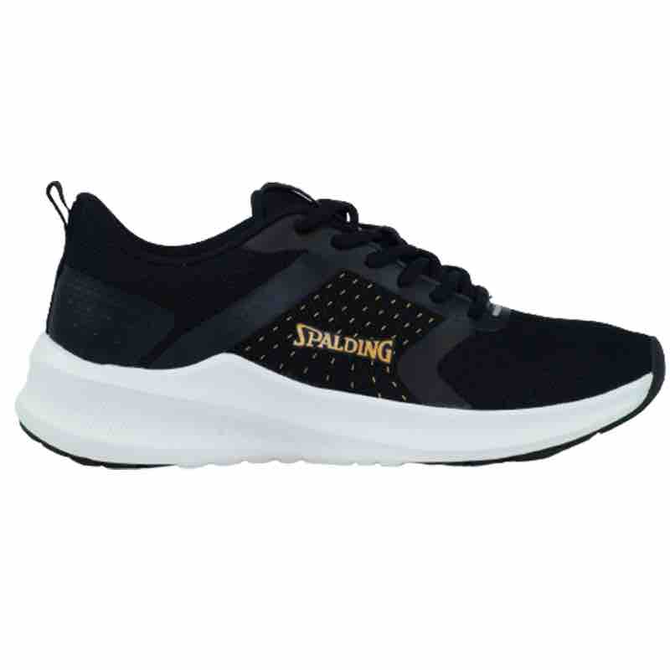 | SPALDING | ADS-05509W-011 | RAYSSA | BLACK/GOLD | RUNTRIAIN | ALL DAY | WF01 | 1 | 12 | Ready for delivery at the brand's warehouse | $39.95
 | SPALDING | ADS-05509W-011 | RAYSSA | BLACK/GOLD | RUNTRIAIN | ALL DAY | WF02 | 11 | 132 | Ready for delivery at the brand's warehouse | $39.95
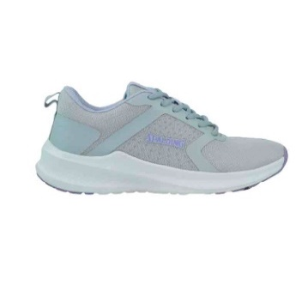 | SPALDING | ADS-05509W-081 | RAYSSA | LIGHT GRAY/LIGHT PURPLE | RUNTRIAIN | ALL DAY | WF01 | 3 | 36 | Ready for delivery at the brand's warehouse | $39.95
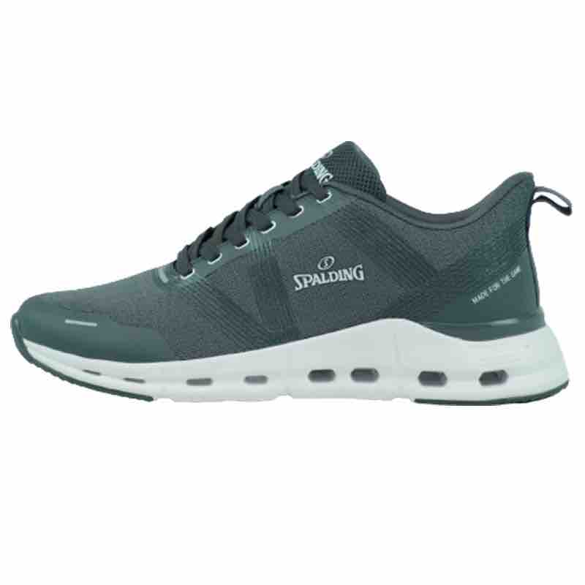 | SPALDING | ADS-05541M-070 | LEX | GRAY/WHITE | RUNTRIAIN | ALL DAY | MF01 | 8 | 96 | Ready for delivery at the brand's warehouse | $39.95
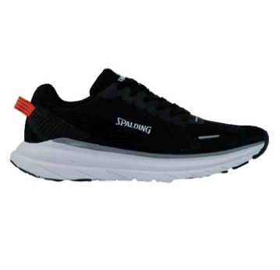 | SPALDING | ADS-09502M-001 | LUCKY | BLACK/WHITE | RUNTRIAIN | ALL DAY | MF01 | 3 | 36 | Ready for delivery at the brand's warehouse | $39.95
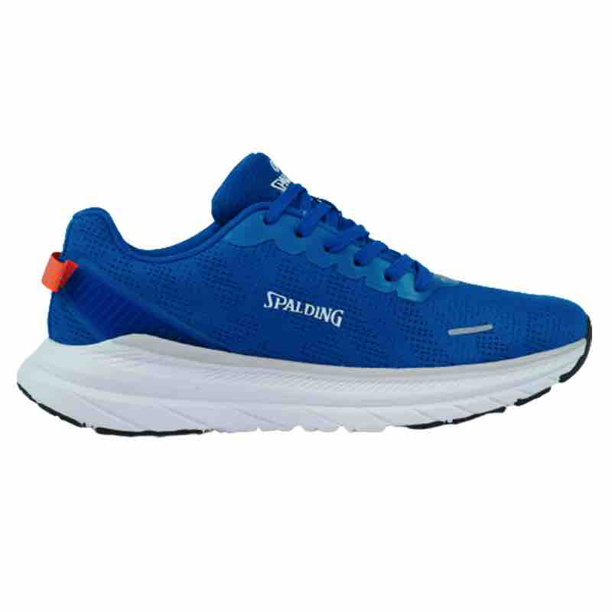 | SPALDING | ADS-09502M-401 | LUCKY | ROYAL/WHITE | RUNTRIAIN | ALL DAY | MF01 | 13 | 156 | Ready for delivery at the brand's warehouse | $39.95
 | SPALDING | ADS-09502M-401 | LUCKY | ROYAL/WHITE | RUNTRIAIN | ALL DAY | MF02 | 6 | 72 | Ready for delivery at the brand's warehouse | $39.95
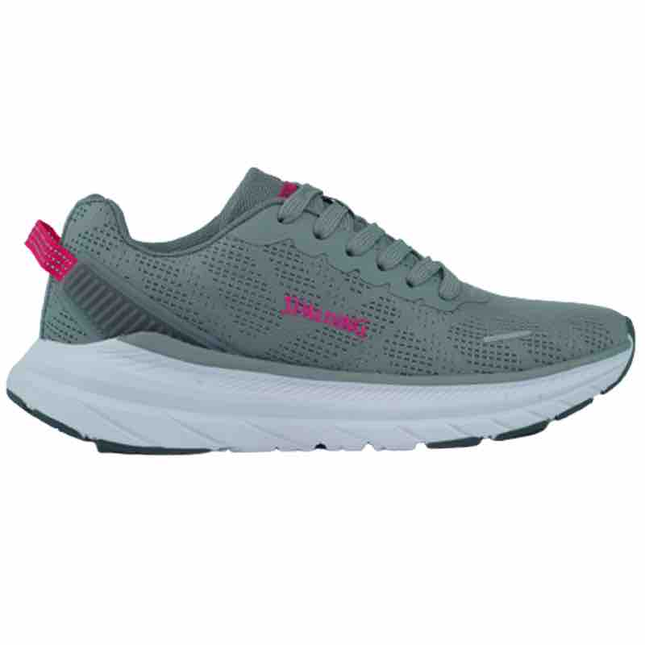 | SPALDING | ADS-09502W-055 | LUCKY | GRAY/ROSE | RUNTRIAIN | ALL DAY | WF02 | 23 | 276 | Ready for delivery at the brand's warehouse | $39.95
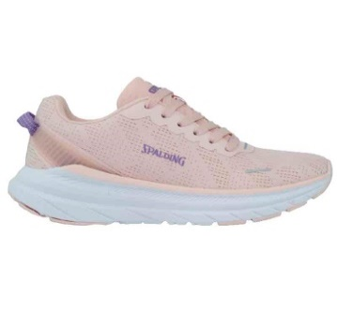 | SPALDING | ADS-09502W-950 | LUCKY | PINK ORANGE/PURPLE | RUNTRIAIN | ALL DAY | WF02 | 25 | 300 | Ready for delivery at the brand's warehouse | $39.95
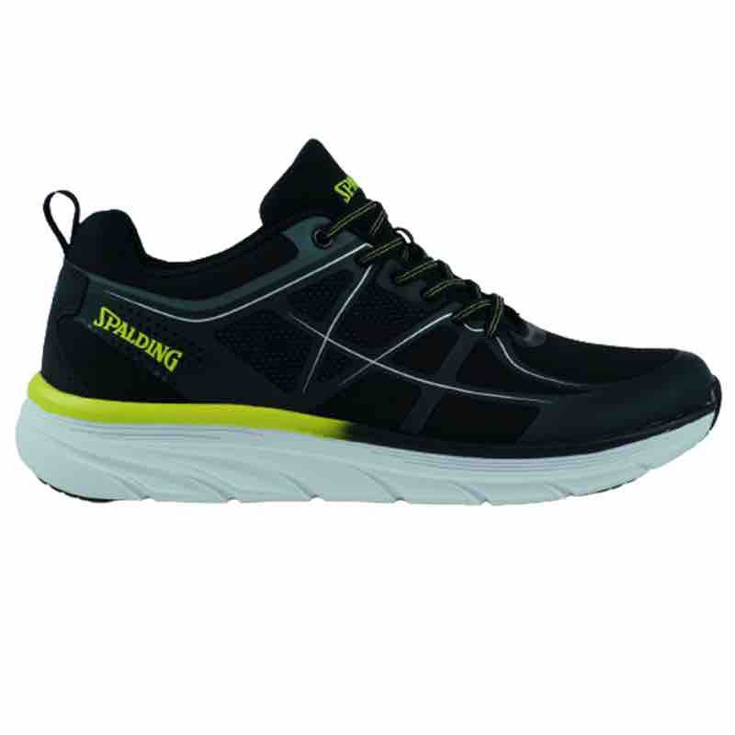 | SPALDING | ADS-09504M-033 | ARIEL | BLACK/LIME GREEN | RUNTRIAIN | ALL DAY | MF01 | 7 | 84 | Ready for delivery at the brand's warehouse | $39.95
 | SPALDING | ADS-09504M-033 | ARIEL | BLACK/LIME GREEN | RUNTRIAIN | ALL DAY | MF02 | 10 | 120 | Ready for delivery at the brand's warehouse | $39.95
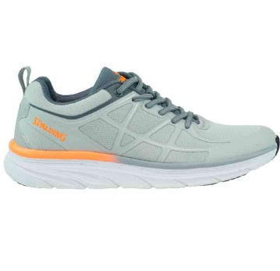 | SPALDING | ADS-09504M-080 | ARIEL | LIGHT GRAY/GRAY/ORANGE POPSICL | RUNTRIAIN | ALL DAY | MF01 | 13 | 156 | Ready for delivery at the brand's warehouse | $39.95
 | SPALDING | ADS-09504M-080 | ARIEL | LIGHT GRAY/GRAY/ORANGE POPSICL | RUNTRIAIN | ALL DAY | MF02 | 11 | 132 | Ready for delivery at the brand's warehouse | $39.95
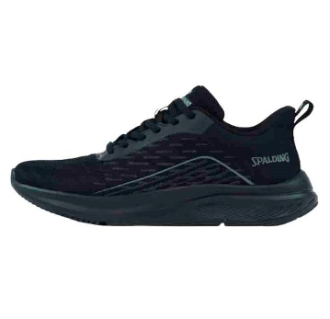 | SPALDING | ADS-09512M-002 | ANDREAS | BLACK/BLACK | RUNTRIAIN | ALL DAY | MF02 | 2 | 24 | Ready for delivery at the brand's warehouse | $39.95
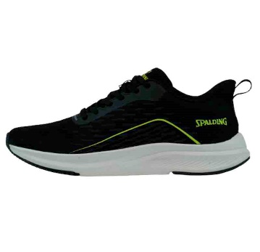 | SPALDING | ADS-09512M-003 | ANDREAS | BLACK/LIME | RUNTRIAIN | ALL DAY | MF01 | 1 | 12 | Ready for delivery at the brand's warehouse | $39.95
 | SPALDING | ADS-09512M-003 | ANDREAS | BLACK/LIME | RUNTRIAIN | ALL DAY | MF02 | 13 | 156 | Ready for delivery at the brand's warehouse | $39.95
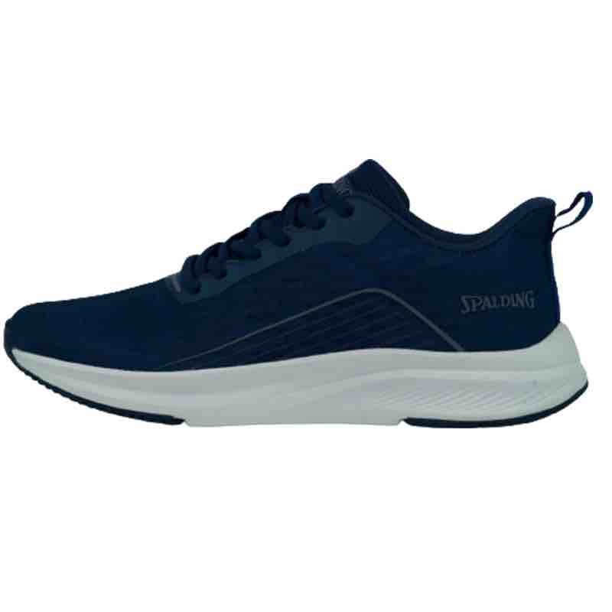 | SPALDING | ADS-09512M-410 | ANDREAS | NAVY/GRAY | RUNTRIAIN | ALL DAY | MF02 | 2 | 24 | Ready for delivery at the brand's warehouse | $39.95
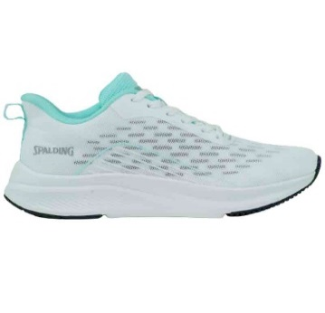 | SPALDING | ADS-09512W-120 | ANDREAS | WHITE/MINT | RUNTRIAIN | ALL DAY | WF02 | 1 | 12 | Ready for delivery at the brand's warehouse | $39.95
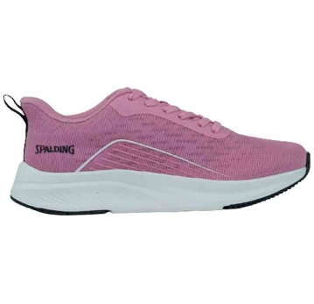 | SPALDING | ADS-09512W-550 | ANDREAS | FOXGLOVE/WHITE | RUNTRIAIN | ALL DAY | WF01 | 4 | 48 | Ready for delivery at the brand's warehouse | $39.95
 | SPALDING | ADS-09512W-550 | ANDREAS | FOXGLOVE/WHITE | RUNTRIAIN | ALL DAY | WF02 | 3 | 36 | Ready for delivery at the brand's warehouse | $39.95
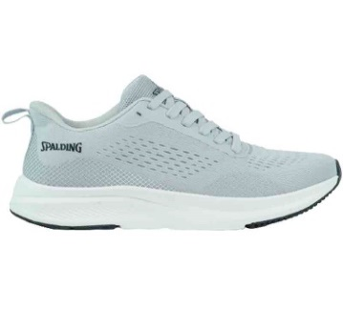 | SPALDING | ADS-11503M-050 | CYRIL | GRAY/BLACK | RUNTRIAIN | ALL DAY | MF01 | 11 | 132 | Ready for delivery at the brand's warehouse | $39.95
 | SPALDING | ADS-11503M-050 | CYRIL | GRAY/BLACK | RUNTRIAIN | ALL DAY | MF02 | 12 | 144 | Ready for delivery at the brand's warehouse | $39.95
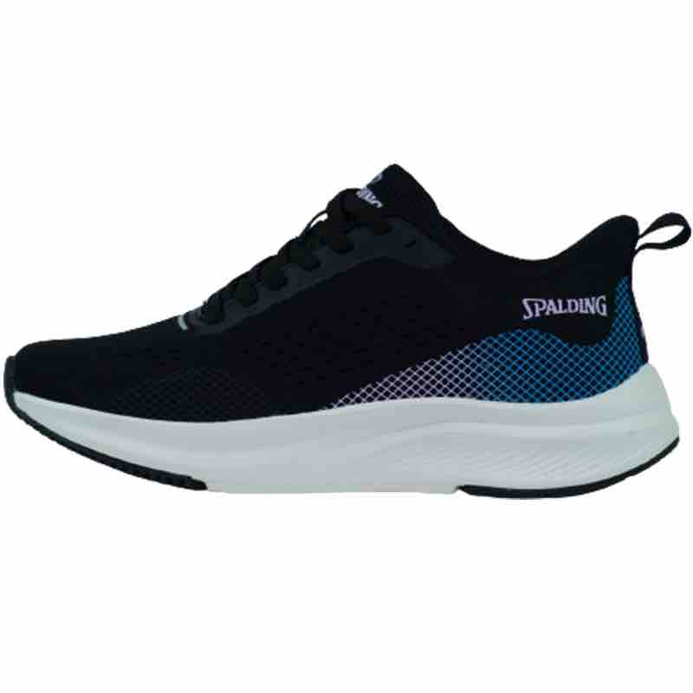 | SPALDING | ADS-11503W-007 | CYRIL | BLACK/PURPLE | RUNTRIAIN | ALL DAY | WF02 | 1 | 12 | Ready for delivery at the brand's warehouse | $39.95
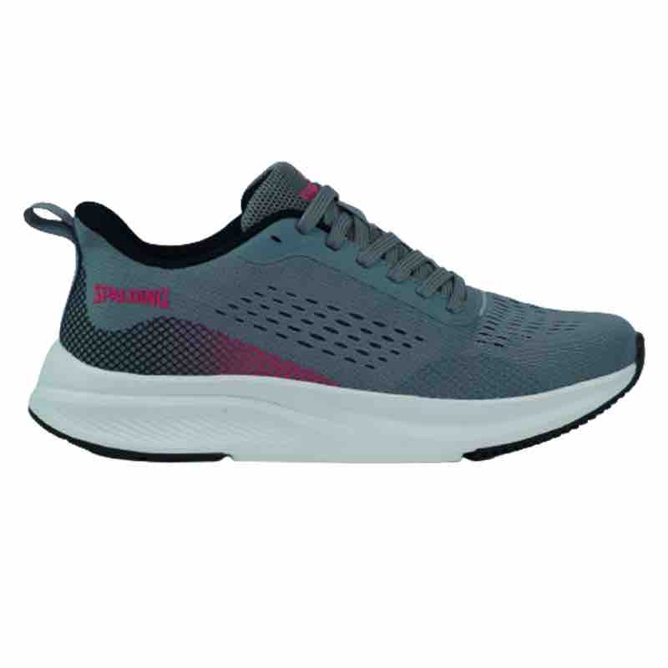 | SPALDING | ADS-11503W-066 | CYRIL | GRAY/ROSE RED | RUNTRIAIN | ALL DAY | WF02 | 13 | 156 | Ready for delivery at the brand's warehouse | $39.95
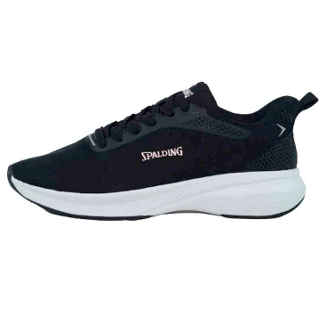 | SPALDING | ADS-11508W-005 | DION | BLACK/PINK | RUNTRIAIN | ALL DAY | WF02 | 13 | 156 | Ready for delivery at the brand's warehouse | $39.95
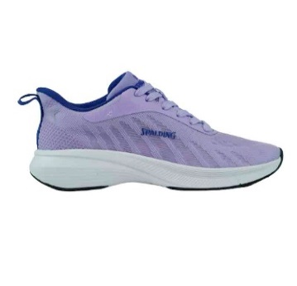 | SPALDING | ADS-11508W-720 | DION | LAVANDER/ROYAL | RUNTRIAIN | ALL DAY | WF01 | 12 | 144 | Ready for delivery at the brand's warehouse | $39.95
 | SPALDING | ADS-11508W-720 | DION | LAVANDER/ROYAL | RUNTRIAIN | ALL DAY | WF02 | 38 | 456 | Ready for delivery at the brand's warehouse | $39.95
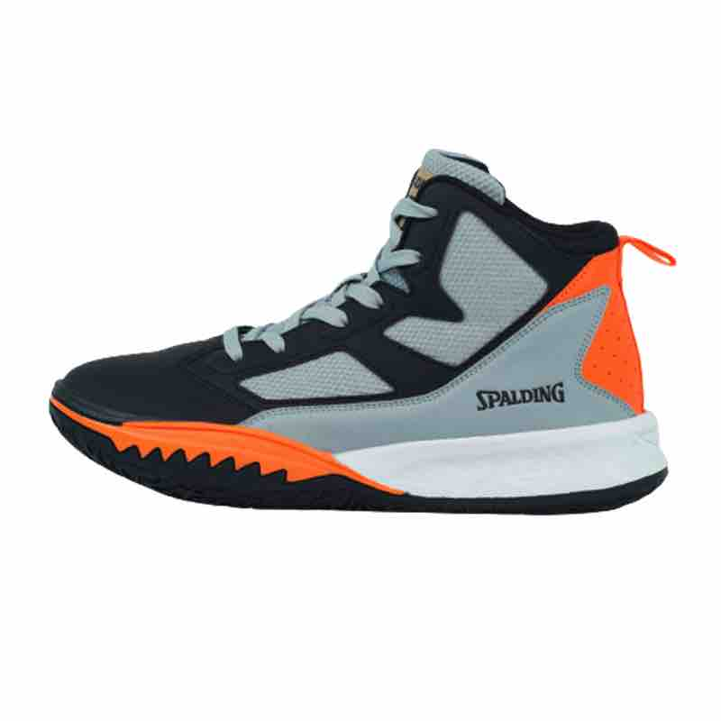 | SPALDING | BKS-03102M-095 | POSEIDON | GUARRY GRAY/BLACK/ORANGE | BASKETBALL | BASKETBALL | MF01 | 2 | 24 | Ready for delivery at the brand's warehouse | $54.95
 | SPALDING | BKS-03102M-095 | POSEIDON | GUARRY GRAY/BLACK/ORANGE | BASKETBALL | BASKETBALL | MF02 | 3 | 36 | Ready for delivery at the brand's warehouse | $54.95
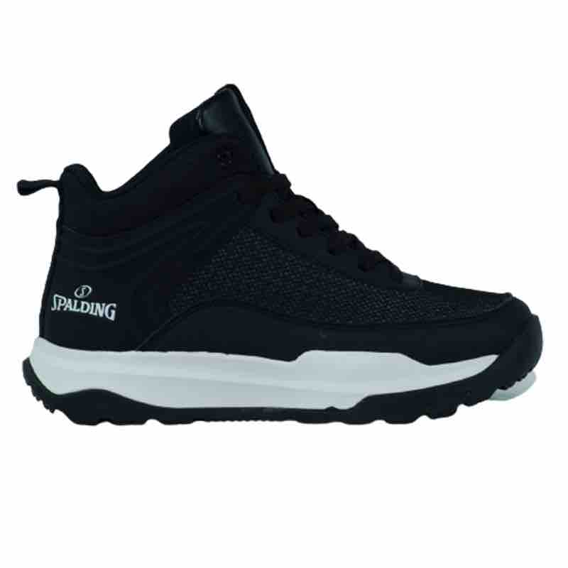 | SPALDING | BKS-03103M-001 | ARES | BLACK/WHITE | BASKETBALL | BASKETBALL | MF01 | 1 | 12 | Ready for delivery at the brand's warehouse | $54.95
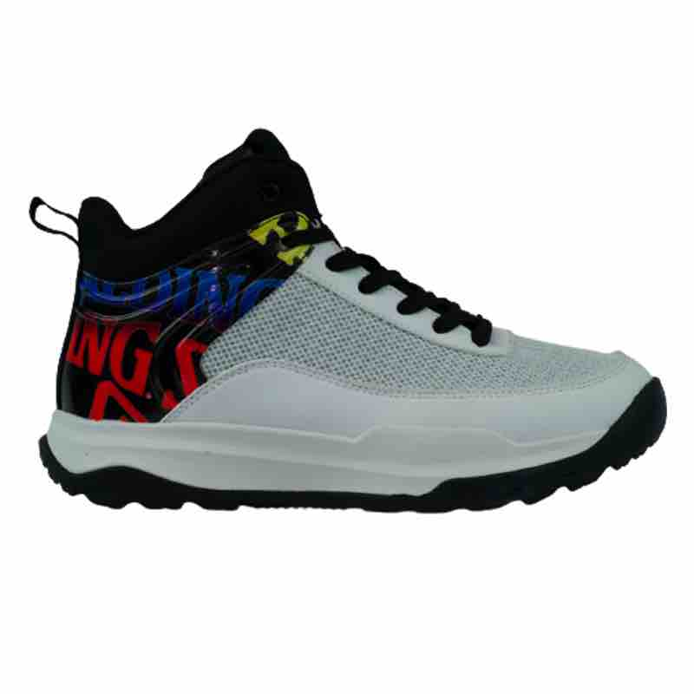 | SPALDING | BKS-03103M-100 | ARES | WHITE/BLACK MIX | BASKETBALL | BASKETBALL | MF02 | 2 | 24 | Ready for delivery at the brand's warehouse | $54.95
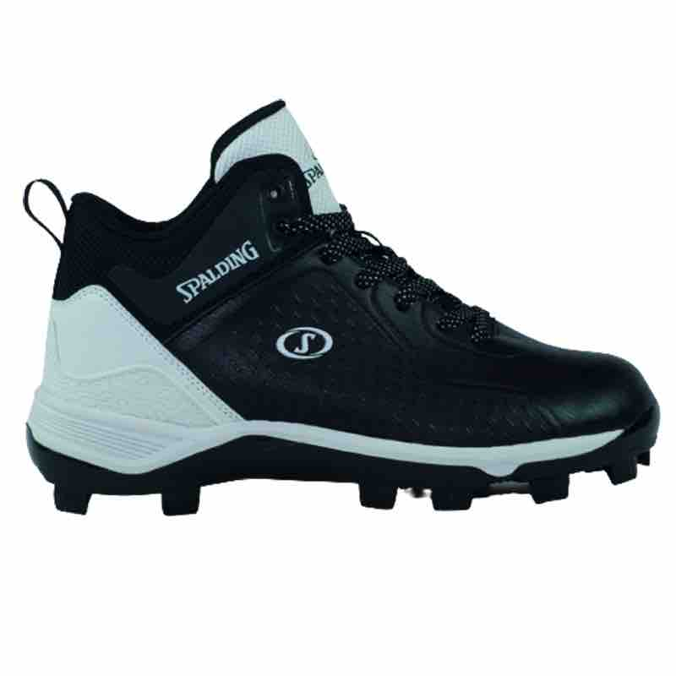 | SPALDING | BSS-05114M-001 | URANO | BLACK/WHITE | BASEBALL | BASEBALL | MF02 | 28 | 336 | Ready for delivery at the brand's warehouse | $57.95
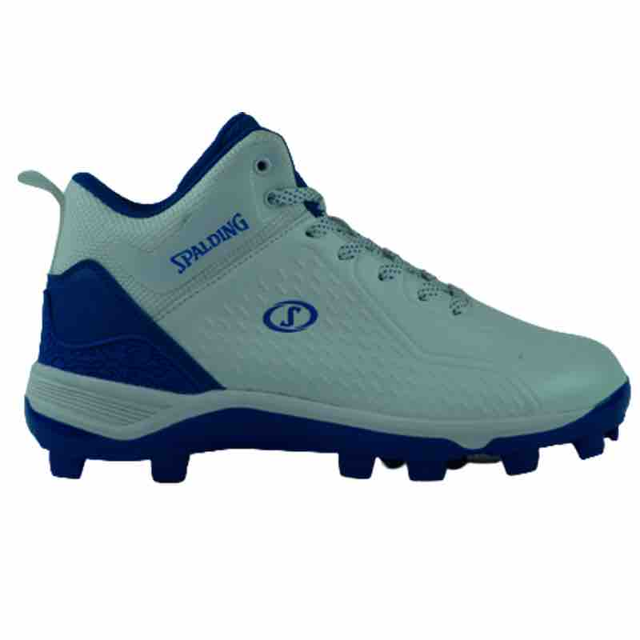 | SPALDING | BSS-05114M-104 | URANO | WHITE/ROYAL | BASEBALL | BASEBALL | MF01 | 11 | 132 | Ready for delivery at the brand's warehouse | $57.95
 | SPALDING | BSS-05114M-104 | URANO | WHITE/ROYAL | BASEBALL | BASEBALL | MF02 | 43 | 516 | Ready for delivery at the brand's warehouse | $57.95
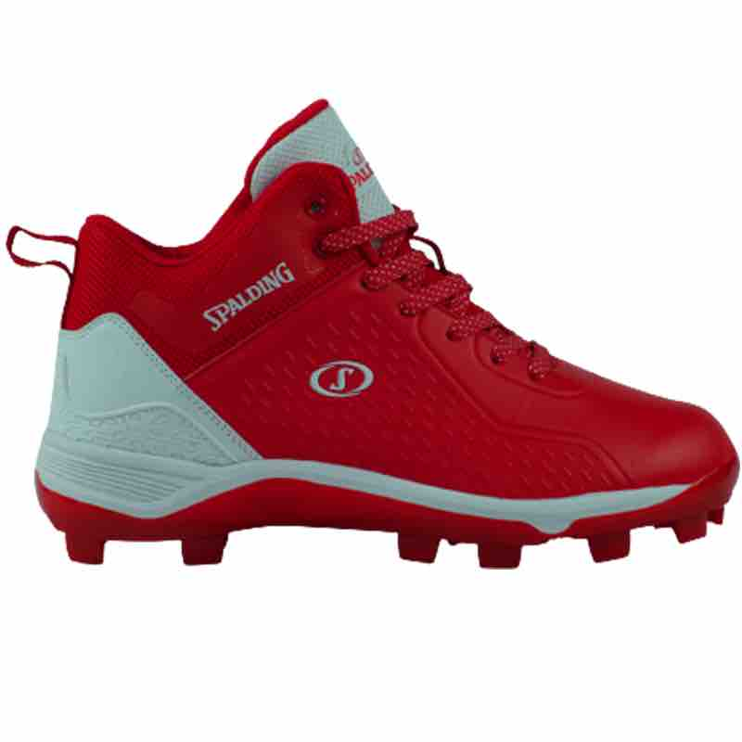 | SPALDING | BSS-05114M-600 | URANO | RED/WHITE | BASEBALL | BASEBALL | MF01 | 7 | 84 | Ready for delivery at the brand's warehouse | $57.95
 | SPALDING | BSS-05114M-600 | URANO | RED/WHITE | BASEBALL | BASEBALL | MF02 | 41 | 492 | Ready for delivery at the brand's warehouse | $57.95
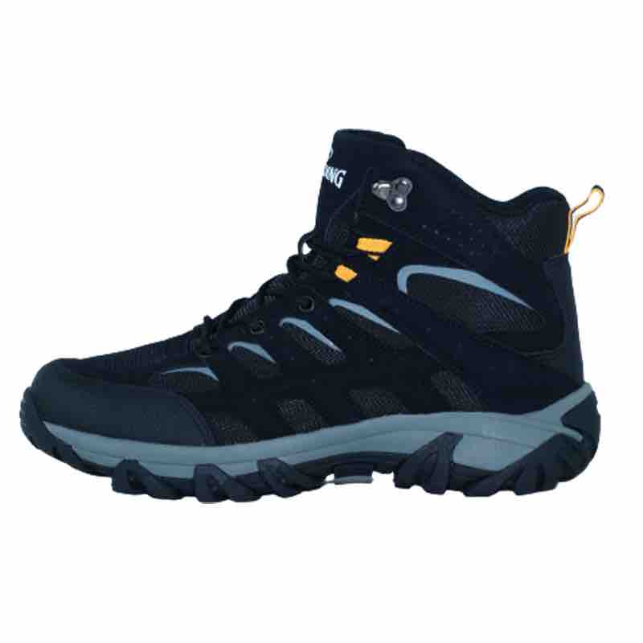 | SPALDING | HKS-05110M-008 | PEGASO | BLACK/GRAY | HIKERS | HIKERS | MF01 | 4 | 48 | Ready for delivery at the brand's warehouse | $56.95
 | SPALDING | HKS-05110M-008 | PEGASO | BLACK/GRAY | HIKERS | HIKERS | MF02 | 8 | 96 | Ready for delivery at the brand's warehouse | $56.95
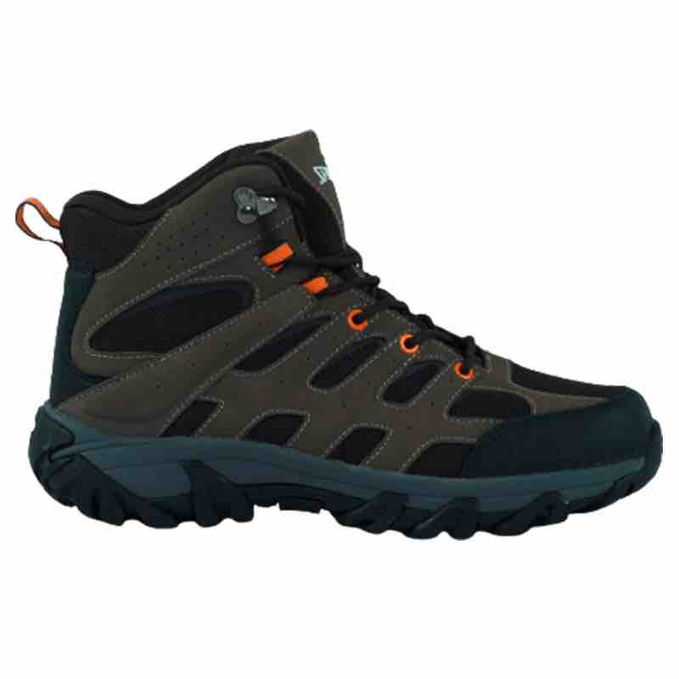 | SPALDING | HKS-05110M-220 | PEGASO | BROWN/BLACK | HIKERS | HIKERS | MF01 | 1 | 12 | Ready for delivery at the brand's warehouse | $56.95
 | SPALDING | HKS-05110M-220 | PEGASO | BROWN/BLACK | HIKERS | HIKERS | MF02 | 13 | 156 | Ready for delivery at the brand's warehouse | $56.95
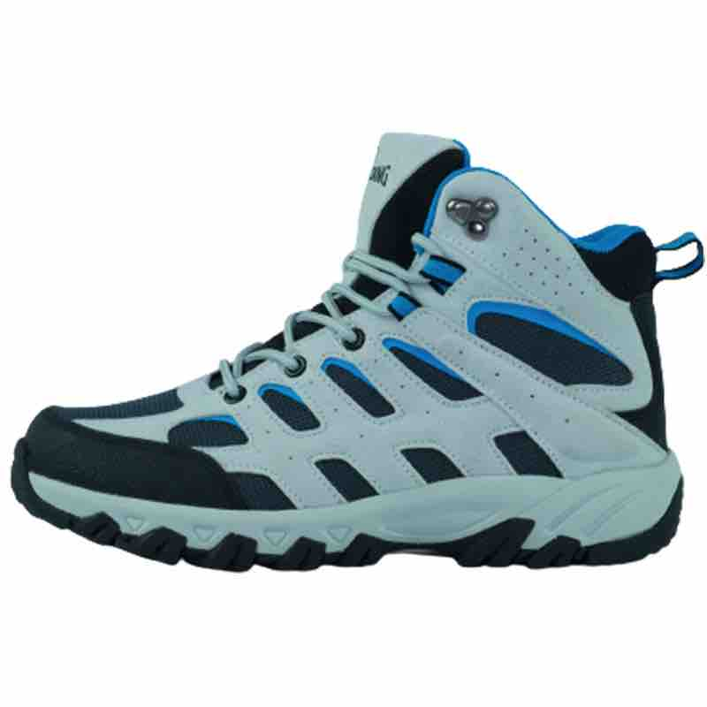 | SPALDING | HKS-05110W-057 | PEGASO | LIGHT GRAY/CELESTIAL | HIKERS | HIKERS | WF01 | 6 | 72 | Ready for delivery at the brand's warehouse | $56.95
 | SPALDING | HKS-05110W-057 | PEGASO | LIGHT GRAY/CELESTIAL | HIKERS | HIKERS | WF02 | 34 | 408 | Ready for delivery at the brand's warehouse | $56.95
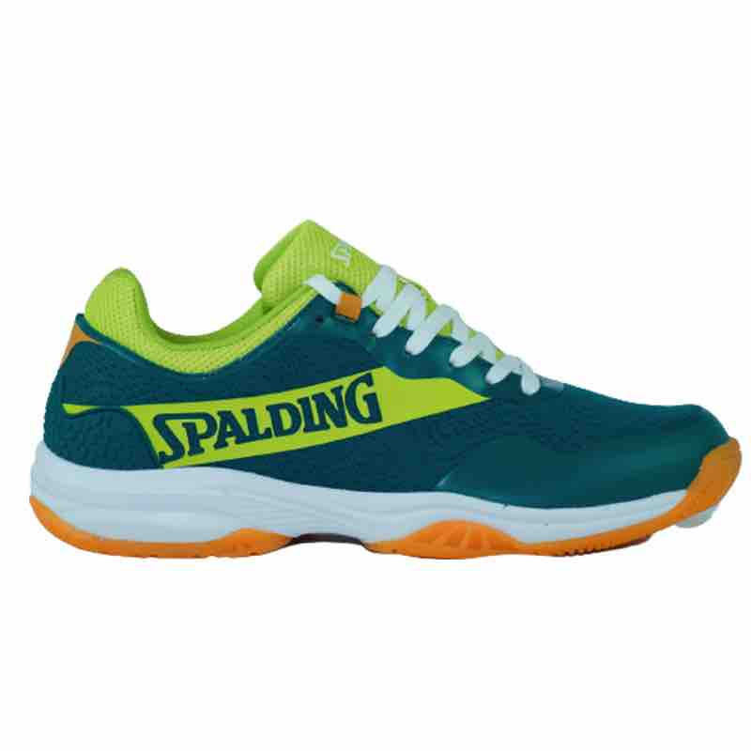 | SPALDING | PDS-06718M-300 | PERSEFONE | GREEN/LIGHT GREEN | PADEL | PADEL | MF01 | 15 | 180 | Ready for delivery at the brand's warehouse | $49.95

 |  |  |  |  |  |  |  |  | 5760

